Sheet1
 |  | Document No. | Issue No. | Issue Date |  | Review and Replace Date |  | Authorised By
 |  | GFF127MC | 1 | 26.09.2019 |  | New Issue
 |  | Document Title | INDIAN SELECTION 200g
 |  |  | Page 1 of 1 |  | Clause |  | 6.1 | Magda Shah
Document amendments reason for change |  | Document created for existing product |  |  | Previous Issue Date |  | New Issue | Uncontrolled copy unless signed original

CINSC-R6TDTC | DTC (BOOKER) |  | INDIAN SELECTION 200G | CHILLED
STEP 1 |  |  |  | STEP 2
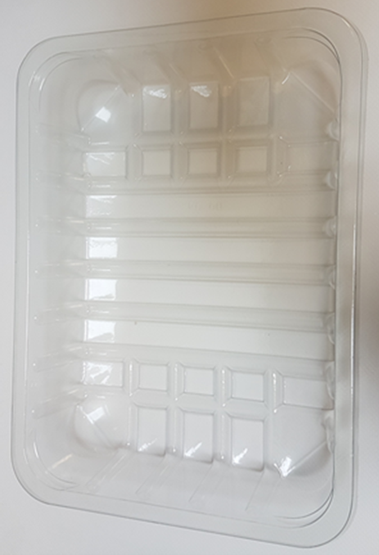 |  |  |  | 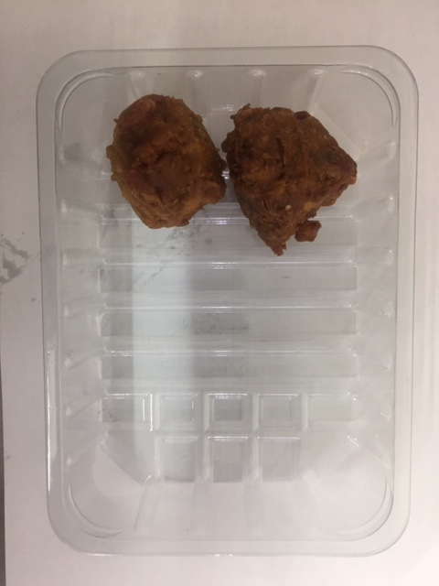

Tray: SK4-Plain Clear (PKESSOO1-07) Film: Promens, 410me |  |  |  | 2 x Onion Bhaji (GFF009-1R) 30g 60g

Use By applied from Date of Cook (oldest component)
STEP 3 |  |  |  | STEP 4
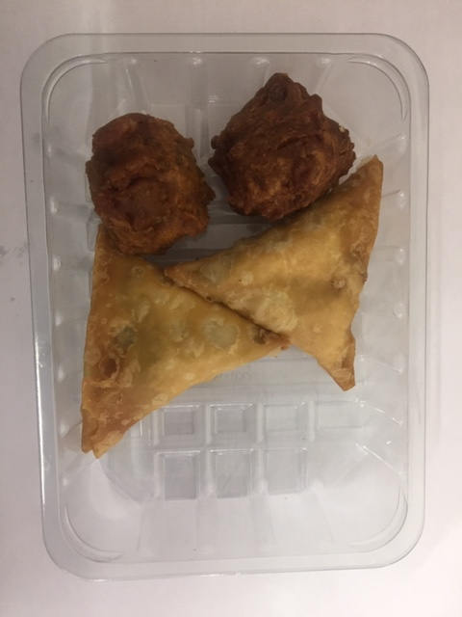 |  |  |  | 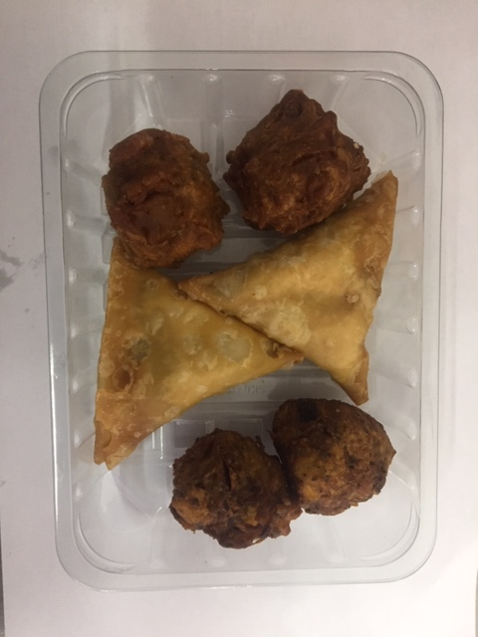

2 x Vegetable Samosa 40g 80g |  |  |  | 2 x Vegetable Pakora (GFF013-2R) 30g 60g
 |  |  |  | Total Weight : 200g
ALLERGY ALERT: WHEAT

